Daily Power Station Chart_15-01
Plant_03/03/2025Chart

Plant:odco1 |  |  | Installed Capacity:111.180kWp
Today Yield(kWh):386.200kWh |  | Today Earning:154480.000TND |  | Today Full Load Hours(h):3.47h

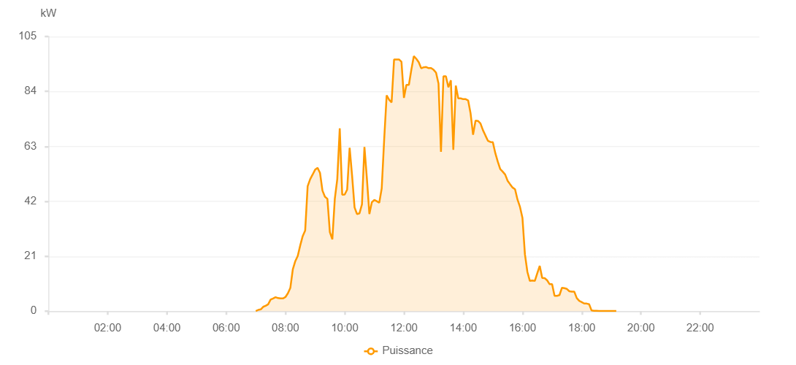

Number | Time | Working State | PV(W) | Instantaneous Radiation(W/㎡)
1 | 06:45:00 | Online | 20.00000 | 0
2 | 06:50:00 | Online | 20.00000 | 0
3 | 06:55:00 | Online | 50.00000 | 0
4 | 07:00:00 | Online | 40.00000 | 0
5 | 07:05:00 | Online | 160.00000 | 0
6 | 07:10:00 | Online | 320.00000 | 0
7 | 07:15:00 | Online | 320.00000 | 6.00000
8 | 07:20:00 | Online | 560.00000 | 8.00000
9 | 07:25:00 | Online | 760.00000 | 12.00000
10 | 07:30:00 | Online | 1690.00000 | 19.00000
11 | 07:35:00 | Online | 1420.00000 | 16.00000
12 | 07:40:00 | Online | 590.00000 | 7.00000
13 | 07:45:00 | Online | 3050.00000 | 13.00000
14 | 07:50:00 | Online | 4100.00000 | 31.00000
15 | 07:55:00 | Online | 3090.00000 | 28.00000
16 | 08:00:00 | Online | 4530.00000 | 28.00000
17 | 08:05:00 | Online | 2910.00000 | 28.00000
18 | 08:10:00 | Online | 3000.00000 | 22.00000
19 | 08:15:00 | Online | 3890.00000 | 32.00000
20 | 08:20:00 | Online | 6490.00000 | 32.00000
21 | 08:25:00 | Online | 9710.00000 | 58.00000
22 | 08:30:00 | Online | 10020.00000 | 90.00000
23 | 08:35:00 | Online | 6740.00000 | 90.00000
24 | 08:40:00 | Online | 8200.00000 | 63.00000
25 | 08:45:00 | Online | 10090.00000 | 61.00000
26 | 08:50:00 | Online | 9100.00000 | 84.00000
27 | 08:55:00 | Online | 9890.00000 | 57.00000
28 | 09:00:00 | Online | 11020.00000 | 69.00000
29 | 09:05:00 | Online | 9010.00000 | 73.00000
30 | 09:10:00 | Online | 9950.00000 | 60.00000
31 | 09:15:00 | Online | 16890.00000 | 130.00000
32 | 09:20:00 | Online | 25910.00000 | 189.00000
33 | 09:25:00 | Online | 14190.00000 | 189.00000
34 | 09:30:00 | Online | 15540.00000 | 106.00000
35 | 09:35:00 | Online | 45900.00000 | 245.00000
36 | 09:40:00 | Online | 21510.00000 | 245.00000
37 | 09:45:00 | Online | 30470.00000 | 512.00000
38 | 09:50:00 | Online | 51730.00000 | 200.00000
39 | 09:55:00 | Online | 40710.00000 | 361.00000
40 | 10:00:00 | Online | 34390.00000 | 284.00000
41 | 10:05:00 | Online | 28550.00000 | 276.00000
42 | 10:10:00 | Online | 37610.00000 | 243.00000
43 | 10:15:00 | Online | 47470.00000 | 309.00000
44 | 10:20:00 | Online | 47470.00000 | 309.00000
45 | 10:25:00 | Online | 34670.00000 | 223.00000
46 | 10:30:00 | Online | 31930.00000 | 223.00000
47 | 10:35:00 | Online | 34250.00000 | 319.00000
48 | 10:40:00 | Online | 28960.00000 | 836.00000
49 | 10:45:00 | Online | 30500.00000 | 276.00000
50 | 10:50:00 | Online | 33620.00000 | 276.00000
51 | 10:55:00 | Online | 39990.00000 | 276.00000
52 | 11:00:00 | Online | 45060.00000 | 311.00000
53 | 11:05:00 | Online | 44430.00000 | 311.00000
54 | 11:10:00 | Online | 38810.00000 | 311.00000
55 | 11:15:00 | Online | 38990.00000 | 274.00000
56 | 11:20:00 | Online | 29610.00000 | 372.00000
57 | 11:25:00 | Online | 31600.00000 | 220.00000
58 | 11:30:00 | Online | 70140.00000 | 372.00000
59 | 11:35:00 | Online | 70140.00000 | 450.00000
60 | 11:40:00 | Online | 48580.00000 | 339.00000
61 | 11:45:00 | Online | 72700.00000 | 579.00000
62 | 11:50:00 | Online | 83520.00000 | 579.00000
63 | 11:55:00 | Online | 51160.00000 | 394.00000
64 | 12:00:00 | Online | 39530.00000 | 347.00000
65 | 12:05:00 | Online | 40640.00000 | 347.00000
66 | 12:10:00 | Online | 94790.00000 | 367.00000
67 | 12:15:00 | Online | 67700.00000 | 722.00000
68 | 12:20:00 | Online | 60210.00000 | 367.00000
69 | 12:25:00 | Online | 80650.00000 | 367.00000
70 | 12:30:00 | Online | 80650.00000 | 367.00000
71 | 12:35:00 | Online | 80480.00000 | 424.00000
72 | 12:40:00 | Online | 108910.00000 | 1052.00000
73 | 12:45:00 | Online | 75820.00000 | 424.00000
74 | 12:50:00 | Online | 62130.00000 | 424.00000
75 | 12:55:00 | Online | 57930.00000 | 314.00000
76 | 13:00:00 | Online | 57930.00000 | 884.00000
77 | 13:05:00 | Online | 44010.00000 | 475.00000
78 | 13:10:00 | Online | 35710.00000 | 424.00000
79 | 13:15:00 | Online | 41930.00000 | 367.00000
80 | 13:20:00 | Online | 41930.00000 | 367.00000
81 | 13:25:00 | Online | 71960.00000 | 976.00000
82 | 13:30:00 | Online | 71960.00000 | 964.00000
83 | 13:35:00 | Online | 67910.00000 | 964.00000
84 | 13:40:00 | Online | 71070.00000 | 964.00000
85 | 13:45:00 | Online | 93480.00000 | 666.00000
86 | 13:50:00 | Online | 69090.00000 | 666.00000
87 | 13:55:00 | Online | 69090.00000 | 254.00000
88 | 14:00:00 | Online | 33350.00000 | 254.00000
89 | 14:05:00 | Online | 32890.00000 | 262.00000
90 | 14:10:00 | Online | 67850.00000 | 927.00000
91 | 14:15:00 | Online | 94900.00000 | 927.00000
92 | 14:20:00 | Online | 80500.00000 | 459.00000
93 | 14:25:00 | Online | 75180.00000 | 708.00000
94 | 14:30:00 | Online | 80300.00000 | 609.00000
95 | 14:35:00 | Online | 87690.00000 | 780.00000
96 | 14:40:00 | Online | 62000.00000 | 828.00000
97 | 14:45:00 | Online | 59400.00000 | 207.00000
98 | 14:50:00 | Online | 43960.00000 | 569.00000
99 | 14:55:00 | Online | 35740.00000 | 226.00000
100 | 15:00:00 | Online | 27680.00000 | 229.00000
101 | 15:05:00 | Online | 26030.00000 | 648.00000
102 | 15:10:00 | Online | 26610.00000 | 221.00000
103 | 15:15:00 | Online | 26680.00000 | 66.00000
104 | 15:20:00 | Online | 45380.00000 | 290.00000
105 | 15:25:00 | Online | 45040.00000 | 592.00000
106 | 15:30:00 | Online | 39750.00000 | 592.00000
107 | 15:35:00 | Online | 21800.00000 | 33.00000
108 | 15:40:00 | Online | 30070.00000 | 497.00000
109 | 15:45:00 | Online | 32830.00000 | 0
110 | 15:50:00 | Online | 29390.00000 | 12.00000
111 | 15:55:00 | Online | 18210.00000 | 8.00000
112 | 16:00:00 | Online | 17690.00000 | 4.00000
113 | 16:05:00 | Online | 15620.00000 | 151.00000
114 | 16:10:00 | Online | 20880.00000 | 207.00000
115 | 16:15:00 | Online | 18910.00000 | 0
116 | 16:20:00 | Online | 17760.00000 | 207.00000
117 | 16:25:00 | Online | 24890.00000 | 0
118 | 16:30:00 | Online | 22880.00000 | 302.00000
119 | 16:35:00 | Online | 20940.00000 | 268.00000
120 | 16:40:00 | Online | 22130.00000 | 0
121 | 16:45:00 | Online | 15760.00000 | 0
122 | 16:50:00 | Online | 18420.00000 | 0
123 | 16:55:00 | Online | 14260.00000 | 0
124 | 17:00:00 | Online | 10900.00000 | 0
125 | 17:05:00 | Online | 8850.00000 | 0
126 | 17:10:00 | Online | 7930.00000 | 66.00000
127 | 17:15:00 | Online | 7930.00000 | 34.00000
128 | 17:20:00 | Online | 7370.00000 | 33.00000
129 | 17:25:00 | Online | 6980.00000 | 0
130 | 17:30:00 | Online | 4070.00000 | 0
131 | 17:35:00 | Online | 3710.00000 | 0
132 | 17:40:00 | Online | 3730.00000 | 0
133 | 17:45:00 | Online | 3880.00000 | 0
134 | 17:50:00 | Online | 3550.00000 | 0
135 | 17:55:00 | Online | 3020.00000 | 0
136 | 18:00:00 | Online | 2750.00000 | 0
137 | 18:05:00 | Online | 1400.00000 | 0
138 | 18:10:00 | Online | 870.00000 | 0
139 | 18:15:00 | Online | 840.00000 | 0
140 | 18:20:00 | Online | 400.00000 | 0
141 | 18:25:00 | Online | 470.00000 | 0
142 | 18:30:00 | Online | 200.00000 | 0
143 | 18:35:00 | Online | 170.00000 | 0
144 | 18:40:00 | Online | 130.00000 | 0
145 | 18:45:00 | Online | 40.00000 | 0
146 | 18:50:00 | Online | 40.00000 | 0
147 | 18:55:00 | Online | 40.00000 | 0
148 | 19:00:00 | Online | 40.00000 | 0
149 | 19:05:00 | Online | 40.00000 | 0
150 | 19:10:00 | Online | 40.00000 | 0
151 | 19:15:00 | Online | 40.00000 | 0
152 | 19:35:00 | Online | 0.00001 | 0.00001
153 | 20:10:00 | Online | 0.00001 | 0.00001
154 | 20:35:00 | Online | 0.00001 | 0.00001
155 | 20:50:00 | Online | 0.00001 | 0.00001
156 | 21:50:00 | Online | 0.00001 | 0.00001

